Sheet1
 |  |  |  |  |  |  |  | Type | Descriptions
Provenance |  |  |  |  |  |  |  |  | Who, What, When for a set of resources
 | Target |  | Points to the med list |  |  |  |  | Any | Target Reference(s) (usually version specific)
 |  |  |  |  | Medication List (the list that is the result of the redconciliation)
 | Period |  |  |  |  |  |  | Period | When the activity occurred
 | Recorded |  |  |  |  |  |  | Instance | When the activity was recorded / updated
 |  |  |  |  | Date/Time the reconciliation occurred
 | Reason |  |  | IHE codes [MEDREC] |  |  |  | Codable Concept | Reason the activity is occurring
 |  |  |  |  | What was reconciled (meds, allergy, problems, etc)
 | Location |  |  |  |  |  |  | Location | Where the activity occurred, if relevant
 | Policy |  |  |  |  |  |  | URI | Policy or plan the activity was defined by
 | agent |  |  |  |  |  |  | Element | Person, organization, records, etc. involved in creating resource
 |  |  |  |  | Who did the reconciling
 |  | role |  |  | Author - who did the reconciling; source - person providing info for recon e.g. parent, phamacist,etc |  |  | Coding | e.g. author | overseer | enterer | attester | source | cc: + ProvenanceAgentRole (Incomplete)
 |  | type |  |  |  |  |  | Coding | e.g. Resource | Person | Application | Record | Document + ProvenanceAgentType (Incomplete)
 |  | reference |  |  |  |  |  | URI | Identity of agent (urn or url)
 |  | display |  |  |  |  |  | String | Human description of participant
 | Entity |  |  |  |  |  |  | Element | An entity used in this activity
 |  |  |  |  | Source of the reconciliation
 |  | role |  |  |  |  |  | code | derivation | revision | quotation | source ProvenanceEntityRole (Required)
 |  | type |  |  |  |  |  | coding | Resource Type, or something else ProvenanceEntityType (Incomplete)
 |  |  |  |  | Sourced medication list; can point to a list resource or FHIR document; or FHIR list; FHIR resource, etc.
 |  | reference |  |  |  |  |  | URI | Identity of participant (urn or url)
 |  | display |  |  |  |  |  | String | Human description of participant
 |  | agent |  |  |  |  |  | See agent | Entity is attributed to this agent
 | integritySignature |  |  |  |  |  |  | String | Base64 signature (DigSig) - integrity check

See this tracker item about reverseInclude
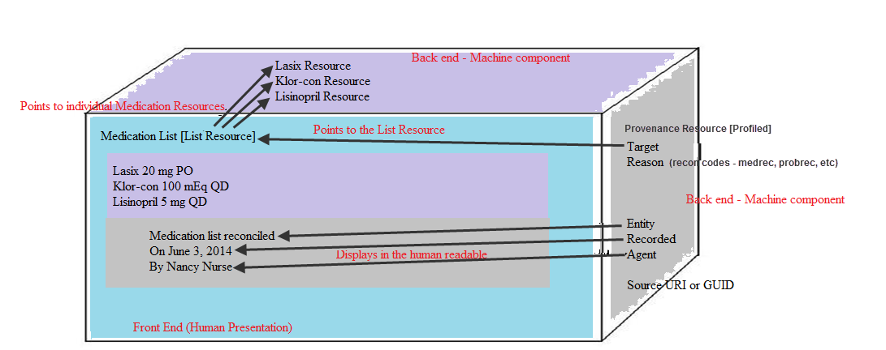

 | List Resource points to each med resource |  |  |  |  |  | provenance/target points to the list; can point to care plan, family history, care team in care plan, etc.
Medication List |  |  |  |  |  |  | provenance/reason (IHE RECON codes)
 | Lasix 20 mg PO |  |  |  |  | Lasix resource
 | Klor-con 100 mEq QD |  |  |  |  | Klor-con resource
 | Lisinopril 5mg QD |  |  |  |  | Lisinopril resource
 |  | Medication list reconciled |  |  |  |  | provenance/entity
 |  | On June 3, 2014 |  |  |  |  | provenance/recorded
 |  | By Nancy Nurse |  |  |  |  | provenance/agent
 |  |  |  |  |  |  | Source URI or GUID (source med list)

